1. Title Page
[Project Name]

Project Name: Assignment 4
Date: 09/01/24
Analyst Name: Ben Newmark

Contents:
Population Flow
Consistency checks
Wrangling steps
Column derivations
Visualizations
Recommendations

2. Population Flow
 | Title page

Population flow

Exclusion flag
Condition: max_order <
Obervations to be removed:
Final total count of order_products_all:

Orders_products_combined
Orders_products_merged
Orders_products_all

Total:
Total: (32434489, 10)
Total: (32434212, 22)
(32434212, 14)

1.) The grey boxes in the first row of the population flow represent the original data sets as they were when you downloaded them. In the Total fields you need to add the count of the rows when you imported the data set into Jupyter.
2.) The second row of boxes (coloured) represents the data sets after you manipulated them, e.g., removed missing values and duplicates. In the Total fields you need to add the count of the rows after conducting these operations. This offers a visual oveview of how the data flows throughout the data consistency checks.
3.) The third row, where also the arrows are coloured, represents the merges you performed between the datasets. In the Total fields you need to add the count of the rows in the merged datasets, so that you end up with the final dataset (in the red box). Keep in mind the final dataset should be without exclusions (based on the exclusion flag).

3. Consistency checks
 |  |  |  | Title page
Consistency checks

Dataset | Missing values | Missing values treatment | Duplicates
orders | 0 |  | 0
products | Product: 16 | remove those 16 products | 5
orders_products_prior | 0 |  | 0
customers | First Name: 11259 | removed first names from the data | 0

4. Wrangling steps
 |  |  |  | Title page
Wrangling steps

Columns dropped | Columns renamed | Columns' type changed | Comment/Reason
days_since_prior_order | n/a | n/a | to much nan
order_dow | order_date_of_week | n/a | easier to understand
FirstName | n/a | n/a | Sensitive data
Sur Name | n/a | n/a | Sensitive data
STATE | n/a | n/a | Sensitive data
Gender | n/a | n/a | Not necessary for this project

5. Column derivations
 |  |  |  | Title page

Column derivations and aggregations

In this tab you should add tables below that the frequences of flags/label variables that you produced after deriving them. NB: don't do this for continuous variables, only for flags.
Dataset | New column | Column/s it was derived from | Conditions
df_ords_prods_merge | Price_Range_loc | price | <= $5: Low-range, >$5 and <= $15: Mid-range, > $15: High-range

df_ords_prods_merge | busiest_days | order_dow | busiest day = 0 , least busy = 4

df_ords_prods_merge | busiest_period_of_day | order_hour_of_day | "== 10: Most orders, == 3: Fewest orders, otherwise: Average orders"

df_ords_prods_merge | max_order | user_id, order_number
df_ords_prods_merge | loyalty_flag | Max_order | > 40: Loyal customer, < = 40 & >10: Regular customer, <= 10: New Customer

df_ords_prods_merge | mean_order | user_id, order_number
df_ords_prods_merge | type_of_spender | mean_order | > 10: high spender, <=10: low spender

df_ords_prods_merge | frequency median | user_id, order_number
df_ords_prods_merge |  | frequency | >20: frequent customer, <=20 & >10: regular customer, >= 10 non_frequent customer

6. Visualizations
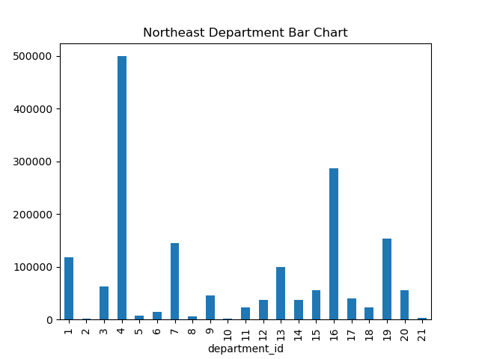
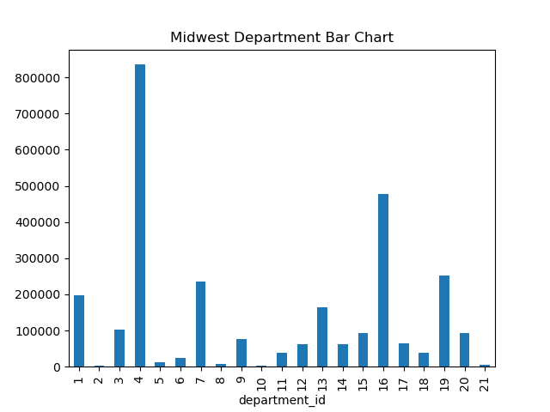
 |  | Title page

Visualisations

In this tab you should include all the visualtions from Exercises 4.9 and 4.10, alongside the questions from the project brief that they answer. Include any commentary on the relationship between different variables.

Loyalty Bar Chart | Orders based of hour of day
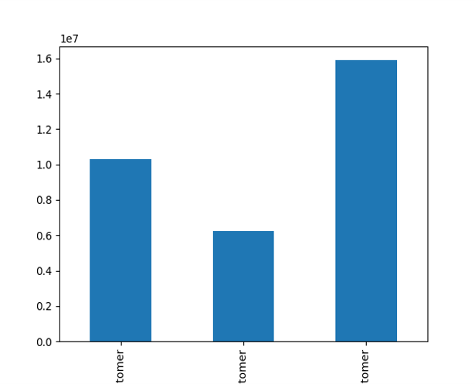

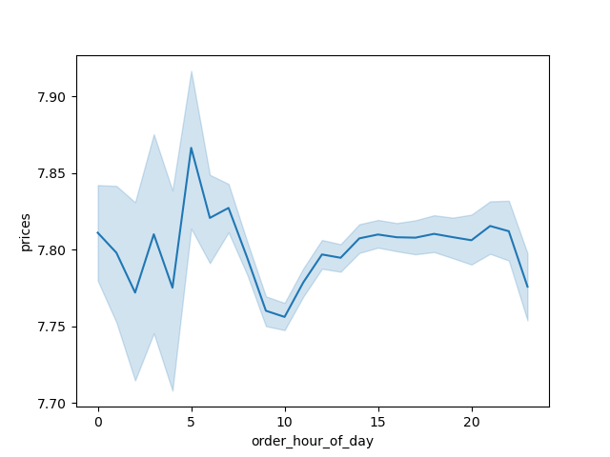

Image 1 - Bar 1 - Loyal customer | Bar 2 - New Customer | Bar 3 - Regular Customer | Image 2 - This histogram shows most orders happen after 8 am and start to really decrease around 5 pm |  | Image 3 - highest amount earned is around 5 am and least amount earned at 10 am but in total everything stay constant. Also it seems mornings before 5 am have the most variation happens and data may be less dependable around then


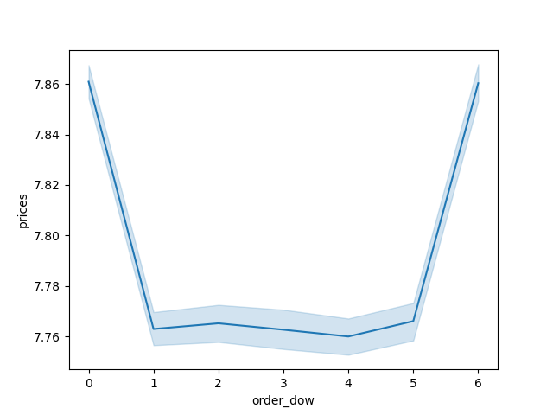


Image 4 - this scatter plot shows that most customers 40 years old and younger make at most 200,000 || most customers above 40 years old make up to 300,000 || the majority of the customers are under 200,000 over all | Image 5 - line chart shows sum of orders and order day of week showing that most orders are done on Friday (6) and Saturday (0) |  |  | Image 6 - This line chart proves that there is no corrolation between age and number of dependence

Loyality Tag Breakdowns
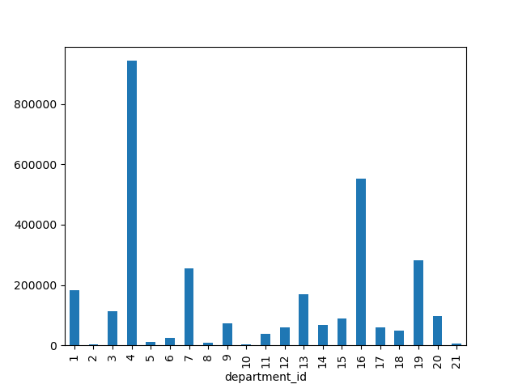
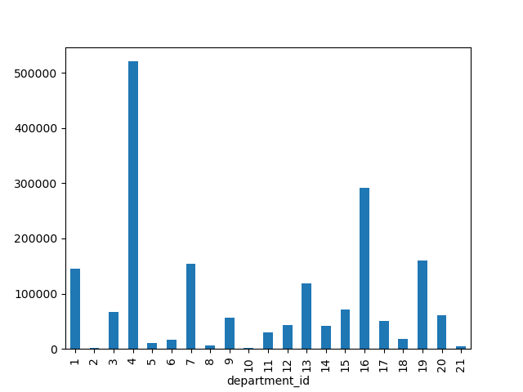
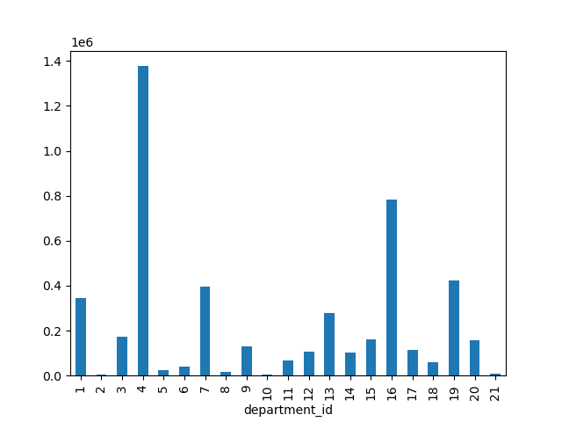

Image 7 - department popularity based on loyal customers tag | Image 8 - department popularity based on new customers |  |  | Image 9 - department popularity based on regular customers

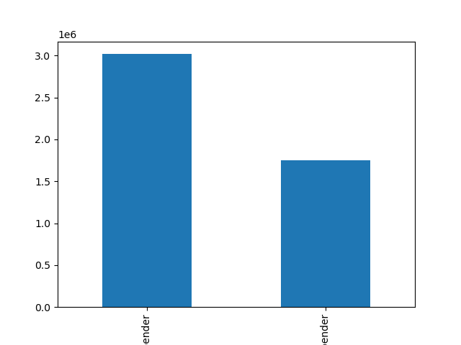
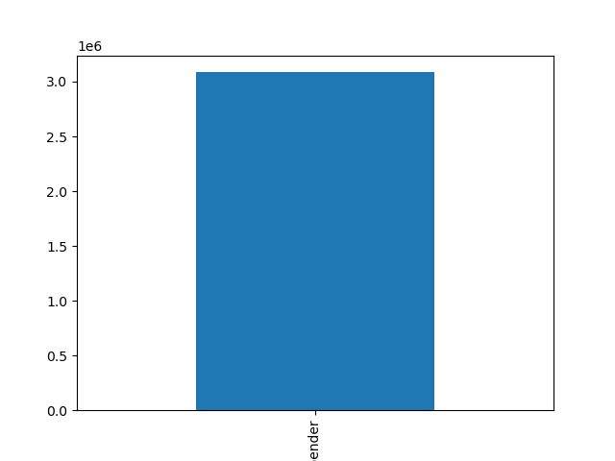


Image 10 - bar graph on what kind of spender based on loyal customers tag (only had high spender) | Image 11 - bar graph on what kind of spender based on regular customers tag (left high spender, right low spender) |  |  | Image 12 - bar graph on what kind of spender based on new customers tag (only had low spender)

Age group and break down of type of spenders

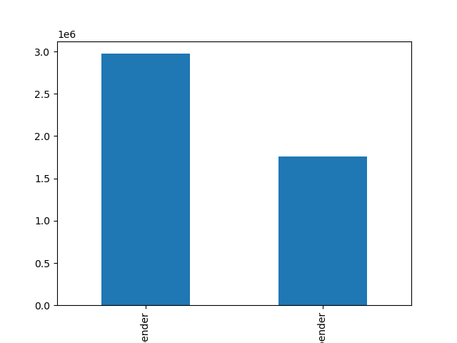

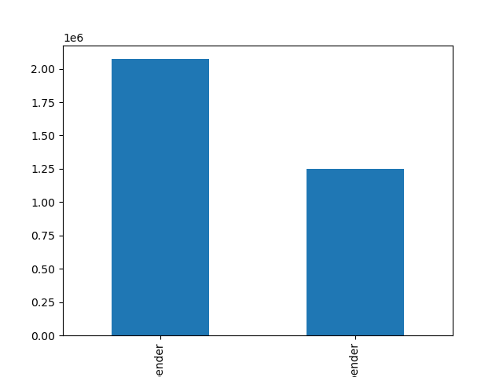

Image 13 - bar graph on what kind of spender age groups under 30 are (left high spender, right low spender) | Image 14 - bar graph on what kind of spender age groups 30-60 are (left high spender, right low spender) |  |  | Image 15 - bar graph on what kind of spender age groups over 60 are (left high spender, right low spender)


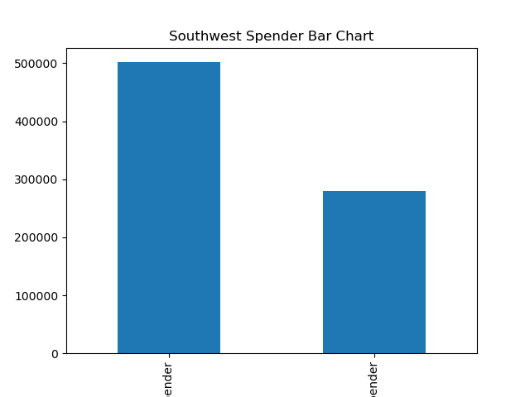

Region Breakdown

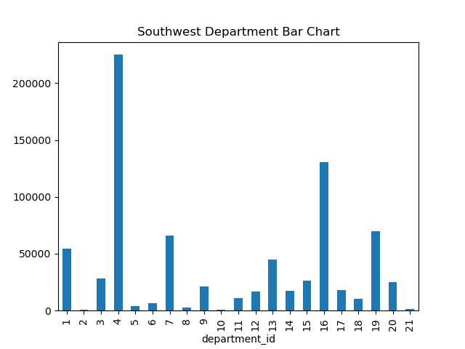
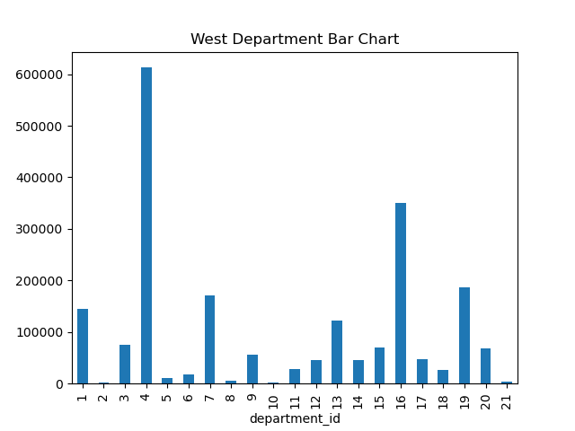





 |  |  |  |  | images 16 - 24: all these are are a breakdown of spending habits (high spenders on the left and low spenders on the right) and department_id and sum of orders in each number correlating with a department by region

7. Recommendations
 |  |  | Title page

Recommendations

In this tab you should include any recommendations you would made to Instcart in terms of their marketing strategy based on the questions posed in the brief. Every key question has been covered in the Tasks of the Exercises - here you need to add an item - a visualisation or table/crosstable that is showing the answer in the data, acompanied by a comment from you. Please, list the questions below and add the answer underneath.

All visuals refrences on here can be found in visualization tab
Question | Column1 | Answer
What days of the week and hours of the day are busiest? What times of the day do people spend the most money? |  | Insight: The busiest time is 10 AM, and customers spend the most money at 4 PM at average of $13.59.
 |  | Recommendation: Run targeted promotions or discounts starting at 9 AM and 3:30 PM to encourage more spending. Use push notifications or marketing emails in the hour leading up to 4 PM to capture maximum attention from high spenders. Consider flash sales or loyalty rewards that are time-sensitive, especially on Saturdays.

Are there certain types of products that are more popular than others? |  | Insight: Produce is the number one product group with 4858875788404 orders of a sample group of 30% of the orginal data
 |  | Recommendation: Feature produce prominently in weekly ads, homepage highlights, and promotional emails. Consider offering bulk discounts, recipe ideas, or meal kit bundles that center around produce to drive higher order volumes. Make sure fresh produce availability is prioritized during peak hours, especially on Saturdays and at 4 PM.

What’s the distribution among users in regards to their brand loyalty (i.e., how often do they return to Instacart)? |  | Insight: loyalty_flag Loyal customer 3085987 and return within around 6 days on average New customer 1873935 and return within around 18 days on average Regular customer 4769807 and return within around 12 days on average (See image 1 for quantity comparison of each loyalty flag)
 |  | Recommendation: For loyal customers, focus on personalized promotions based on past purchases. Offer tiered rewards that incentivize more frequent purchases within shorter timeframes (e.g., offering discounts if they order again within 5 days). For new customers, provide onboarding offers and highlight convenience benefits like repeat orders and saved shopping lists to shorten their return window. Consider offering “welcome back” incentives for regular customers to shift them toward becoming loyal customers.

Are there differences in ordering habits based on a customer's loyalty status? |  | Insight: The most notable difference is that loyal customers are overall tagged as high spenders, but individually, they buy items with an average price of $10.41. In contrast, new customers are tagged as low spenders but purchase items at an average price of $13.20. Regular customers are more balanced as spenders, purchasing items with an average price of $12.36 (see images 10-12). However, when comparing the histogram of each loyalty tag, it appears that all three loyalty groups shop similarly based on the department ID of orders (see images 7-9).
 |  | Recommendation: Design promotions that focus on high-spend individual items for new customers, potentially suggesting premium or specialty products. For loyal customers, highlight bulk deals or frequent shopper rewards as they tend to buy more, even at lower per-item costs. For regular customers, present balanced options such as multi-buy offers (e.g., “buy 2, get 1 free”) that align with their more balanced spending habits.

Is there a connection between age and family status in terms of ordering habits? |  | Insight: Age range seems not the have a corralation between number of dependance(see image 6). Also there is very similair spending habits across all age groups (see images 12 - 14).
 |  | Recommendation: disregard Age corralation and and family status as it seems not to have a corralation in spending habits

Are there differences in ordering habits based on a customer’s region? |  | Insight: There seems to be no signicant difference between spending habits based on region (see images 16 - 24)
 |  | Recommendation: disregard region status as it seems not to have a corralation in spending habits and removing this data could be benificial to protecting sensitive data on customers

What differences can you find in ordering habits of different customer profiles? consider the price of orders, frequency of orders, products customers are ordering, and anything else you can think of. |  | Insight: Most customers aged 40 years and younger have an income of up to $200,000, while those above 40 tend to earn up to $300,000. Despite this difference in age-based income brackets, the majority of customers across all age groups earn less than $200,000 overall.(see image 4)
 |  | Recommendation: Tailor marketing strategies and product offerings to appeal to this dominant income group. Since we have discovered little correlation between types of spenders based on age, focusing on customers with incomes around $200,000 or less will provide a better understanding of the most common customers' needs.

